Weekly time sheet
Weekly Timesheet
Non-Exempt Employees
 | Complete and submit this timesheet to your supervisor every Monday by noon (unless otherwise noted on the Timesheet Submission and Approval Schedule for Payroll document) **failure to adhere to the submission dates, may result in delayed payment
Employee Name (First & Last) |  |  |  |  |  | Employee contact number
Institute |  |  |  |  |  | County
Supervisor Name |  |  |  |  |  | Supervisor contact number

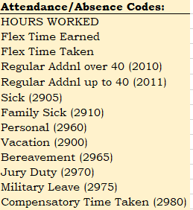
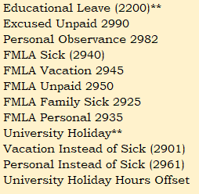
Are you normally scheduled to work 40 hours per week?
Please indicate the amount of hours you are normally scheduled for each day:
 | Sunday |  | Hours
 | Monday |  | Hours
 | Tuesday |  | Hours
 | Wednesday |  | Hours
 | Thursday |  | Hours
 | Friday |  | Hours
 | Saturday |  | Hours
 |  | 0 | Total scheduled hours each week. |  |  |  |  |  | Use the Attendance/Absence Codes above in the TYPE CODE cells on the calendar below

Sunday |  | Monday |  | Tuesday |  | Wednesday |  | Thursday |  | Friday |  | Saturday
Fill in date below for Sunday of week.
 | 4/30/23 |  | 5/1/23 |  | 5/2/23 |  | 5/3/23 |  | 5/4/23 |  | 5/5/23 |  | 5/6/23
Regular Schedule
 |  | 0.0 |  | 0.0 |  | 0.0 |  | 0.0 |  | 0.0
#hrs | Type Code | #hrs | Type Code | #hrs | Type Code | #hrs | Type Code | #hrs | Type Code | #hrs | Type Code | #hrs | Type Code
0 |  |  | HOURS WORKED** |  | HOURS WORKED** |  | HOURS WORKED** |  | HOURS WORKED** |  | HOURS WORKED**
0 |  |  |  | 0 |  | 0 |  | 0 |  |  |  | 0
0 |  | 0 |  | 0 |  | 0 |  | 0 |  | 0 |  | 0
0 |  | 0 |  | 0 |  | 0 |  | 0 |  | 0 |  | 0
0.0 |  | 0.0 |  | 0.0 |  | 0.0 |  | 0.0 |  | 0.0 |  | 0.0
 |  |  | Employee Signature: |  |  |  |  |  |  |  | Date:
 |  |  |  |  |  | Forwarding this timesheet to my supervisor certifies that the time recorded is complete and correct.
 |  |  | Supervisor Signature: |  |  |  |  |  |  |  | Date:
 | Updated: 1/5/2017 |  |  |  |  | Forwarding this timesheet to the applicable mailbox noted on the Email Addresses for Submission tab in this workbook, certifies I have reviewed the information herein and confirm it is correct.
Employee may forward completed timesheet to supervisor in lieu of signing and scanning. Supervisor should forward to applicable email address (see tab titled Email Addresses for Submission in this workbook), which indicates approval in lieu of signing and scanning.

